Sheet1
 | SCHEME NAME | IIFL INDIA GROWTH FUND (IIFLIGF) |  |  |  | IIFL DYNAMIC BOND FUND (IIFLDBF) |  |  |  | IIFL LIQUID FUND(IIFLLF)
 |  | This product is suitable for investors who are seeking* |  |  |  | This product is suitable for investors who are seeking* |  |  |  | This product is suitable for investors who are seeking*
 | Product Labelling | Capital appreciation over long term |  | 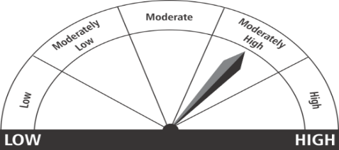 |  | Income and long term gains |  | 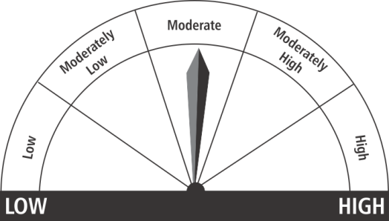 |  | Income over short term horizon |  | 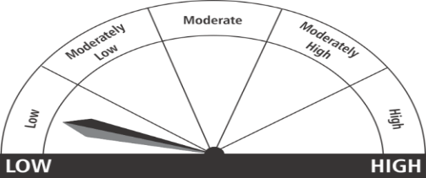
 |  | Investment predominantly in equity and equity related instruments. |  |  |  | Investmen in a range of debt and money market instruments of various maturities. |  |  |  | Investments in money market and short term debt instruments,with maturity not exceeding 91 days.

 |  | Investors understand that the principal will be at moderately high risk |  |  |  | Investors understand that the principal will be at moderate risk |  |  |  | Investors understand that the principal will be at Low risk
 |  | *Investors should consult their financial advisers if in doubt about whether the product is suitable for them. |  |  |  | *Investors should consult their financial advisers if in doubt about whether the product is suitable for them. |  |  |  | *Investors should consult their financial advisers if in doubt about whether the product is suitable for them.
1 | AuM (Rs. in crores) as on 31-May-2017 | 374.29 |  |  |  | 20.81 |  |  |  | 444.13
2 | NAV as on 31-May-2017 (Rs. Per Unit/Index Value) | IIFLIGF - Regular Plan | Nifty50 | IIFLIGF - Direct Plan | Nifty50 | IIFLDBF – Regular Plan | Crisil Composite Bond Fund Index | IIFLDBF – Direct Plan | Crisil Composite Bond Fund Index | IIFLLF – Regular Plan | Crisil Liquid Fund Index | IIFLLF – Direct Plan | Crisil Liquid Fund Index
 |  | 13.3836 | 9621.25 | 13.7423 | 9621.25 | 13.1823 | 2859.44 | 13.4451 | 2859.44 | 1297.8292 | 2714.91 | 1300.1416 | 2714.91
3 | Investment Objective of the Scheme | The investment objective of the scheme is to generate long term capital appreciation for investors from a portfolio of equity and equity related securities. However there can be no assurance or guarantee that the investment objective of the scheme would be achieved. |  |  |  | The investment objective of the scheme is to generate income and long term gains by investing in a range of debt and money market instruments of various maturities. The scheme will seek to flexibly manage its investment across the maturity spectrum with a view to optimize the risk return proposition for the investors |  |  |  | To provide liquidity with reasonable returns in commensuration with low risk through a portfolio of money market and debt securities with residual maturity of up to 91days. However, there can be no assurance that the investment objective of the Scheme will be achieved.

4a | Expense ratio- Direct (FY 2017-2018) | 1.09% |  |  |  | 0.44% |  |  |  | 0.20%
4b | Expense ratio- Regular (FY 2017-2018) | 2.61% |  |  |  | 0.94% |  |  |  | 0.25%

5 | Portfolio Details
 | Top 10 issuers | Name of the issuer |  | % of Scheme |  | Name of the issuer |  | % of Scheme |  | Name of the issuer |  | % of Scheme
 |  | Kotak Mahindra Bank Limited |  | 9.56% |  | 8.15% Government of India |  | 51.29% |  | Axis Bank Limited |  | 5.63%
 |  | Bajaj Finance Limited |  | 9.11% |  | 8.24% Government of India |  | 25.72% |  | Kotak Mahindra Bank Limited |  | 5.63%
 |  | Muthoot Finance Limited |  | 7.17% |  | 9.10% Dewan Housing Finance Corporation Limited |  | 9.66% |  | RBL Bank Limited |  | 5.63%
 |  | Power Grid Corporation of India Limited |  | 7.10% |  | 9.00% State Bank of India |  | 7.32% |  | NTPC Limited |  | 5.63%
 |  | The Federal Bank Limited |  | 7.00% |  | 9.45% State Bank of India |  | 0.20% |  | Andhra Bank |  | 5.62%
 |  | Castrol India Limited |  | 5.80% |  |  |  |  |  | Indian Railway Finance Corp Ltd |  | 5.62%
 |  | Tata Motors Ltd DVR Shares |  | 5.43% |  |  |  |  |  | ICICI Bank Limited |  | 5.61%
 |  | Housing Development Finance Corporation Limited |  | 5.21% |  |  |  |  |  | HDFC Bank Limited |  | 5.61%
 |  | Bajaj Finserv Limited |  | 5.10% |  |  |  |  |  | Export Import Bank of India |  | 5.61%
 |  | Aditya Birla Nuvo Limited |  | 4.75% |  |  |  |  |  | National Bank For Agriculture and Rural Development |  | 5.61%

6 | Past Performance as on 31-May-2017
 | Scheme | IIFLIGF - Regular Plan | Nifty50 | IIFLIGF - Direct Plan | Nifty50 | IIFLDBF – Regular Plan | Crisil Composite Bond Fund Index | IIFLDBF – Direct Plan | Crisil Composite Bond Fund Index | IIFLLF – Regular Plan | Crisil Liquid Fund Index | IIFLLF – Direct Plan | Crisil Liquid Fund Index
 | 31-May-16 to 31-May-17 | 24.05% | 17.91% | 25.01% | 17.91% | 7.32% | 10.95% | 7.86% | 10.95% | 6.52 | 6.96% | 6.58% | 6.96%
 | 30-May-14 to 31-May-17 | - | - | - | - | 8.87% | 10.67% | 9.41% | 10.67 | 7.48% | 7.89% | 7.54% | 7.89%
 | Since Inception | 11.93% | 6.53% | 13.08% | 6.53% | 7.27% | 9.13% | 7.81% | 9.13% | 7.62% | 8.16% | 7.68% | 8.16%
 | Nav (Rs. Per Unit)/ Index value | 13.3836 | 9621.25 | 13.7423 | 9621.25 | 13.1823 | 2859.44 | 13.4451 | 2859.44 | 1297.8292 | 2714.91 | 1300.1416 | 2714.91
 | Date of allotment | 30-Oct-14 |  | 30-Oct-14 |  | 24-Jun-13 |  | 24-Jun-13 |  | 13-Nov-13 |  | 13-Nov-13

 | Notes relating to performance:
 | All returns are for Growth option
 | Returns greater than 1 year are in compounded annualised term and less than 1 year are in absolute term for Equity whereas it is in simple annualised term for Debt scheme.

 | Other Notes:
 | Please note all the above mentioned data is as on 31st May' 2017 unless otherwise mentioned.
 | The AUM is the closing AUM for the respective month
 | Expense ratio is Year to date for the respective month
 | IIFL India Growth Fund (IIFLIGF) :Scheme has been in existence for more than 1 year but less than 3 years.
 | IIFL Dynamic Bond Fund and IIFL Liquid Fund :Scheme has been in existence for more than 3 year but less than 5 Years
 | Fund Manager Details:
 | 1. IIFL India Growth Fund; Manage by Mr. Prashasta Seth Mr. Seth has been managing this scheme since November 03, 2016. 2. IIFL Dynamic Bond Fund and IIFL Liquid Fund; Manage by Mr. Ankur Parekh Mr Parekh has been managing the scheme since March 08, 2017.
 | Mutual Fund Investments are subject to market risk,read all scheme related documents carefully.

