YY07
 | IIFL Dynamic Bond Fund

 | Fortnightly Portfolio Statement as on April 15,2023
 | Name of the Instrument | ISIN | Industry / Rating | Quantity | Market/Fair Value(Rs. in Lacs) | Rounded % to Net Assets | YTM
 | REIT/InvIT Instruments
 | (a) Listed / awaiting listing on Stock Exchanges
EOPR01 | Embassy Office Parks REIT | INE041025011 | Realty | 560,232 | 1764.7868232 | 2.21%
PIIT01 | Powergrid Infrastructure Investment Trust | INE0GGX23010 | Power | 308,691 | 376.5721509 | 0.47%
 | Sub Total |  |  |  | 2141.3589741 | 2.68%
 | (b) Unlisted |  |  |  | NIL | NIL
 | Sub Total |  |  |  | NIL | NIL
 | Total |  |  |  | 2141.3589741 | 2.68%
 | Debt Instruments
 | (a) Listed / awaiting listing on Stock Exchange
GOI4900 | 7.41% Government of India (19/12/2036) | IN0020220102 | SOVEREIGN | 9,000,000 | 9048.735 | 11.34% | 7.48%
GOI4976 | 7.26% Government of India (06/02/2033) | IN0020220151 | SOVEREIGN | 6,500,000 | 6519.227 | 8.17% | 7.35%
GOI4584 | 7.26% Government of India (22/08/2032) | IN0020220060 | SOVEREIGN | 6,500,000 | 6512.493 | 8.16% | 7.36%
GOI4485 | 7.38% Government of India (20/06/2027) | IN0020220037 | SOVEREIGN | 5,000,000 | 5057.73 | 6.34% | 7.18%
GOI3734 | 6.54% Government of India (17/01/2032) | IN0020210244 | SOVEREIGN | 4,500,000 | 4294.485 | 5.38% | 7.38%
MEBP22 | 6.6861% Mindspace Business Parks REIT (17/05/2024) ** | INE0CCU07033 | CRISIL AAA | 4,000,000 | 3952.92 | 4.95% | 8.05%
RUPL36 | 6.4% Jamnagar Utilities & Power Private Limited (29/09/2026) ** | INE936D07174 | CRISIL AAA | 3,500,000 | 3340.9005 | 4.19% | 7.94%
GOI4366 | 7.1% Government of India (18/04/2029) | IN0020220011 | SOVEREIGN | 3,000,000 | 2994.693 | 3.75% | 7.26%
LICH647 | 8.025% LIC Housing Finance Limited (23/03/2033) ** | INE115A07QH6 | CRISIL AAA | 2,500,000 | 2520.545 | 3.16% | 7.90%
GOI4979 | 7.64% State Government Securities (08/02/2033) | IN2120220065 | SOVEREIGN | 2,500,000 | 2514.79 | 3.15% | 7.69%
TCFS658 | 8.3% Tata Capital Financial Services Limited (13/03/2026) ** | INE306N07NL3 | ICRA AAA | 2,500,000 | 2509.985 | 3.14% | 8.13%
GOI4978 | 7.6% State Government Securities (08/02/2035) | IN1520220220 | SOVEREIGN | 2,500,000 | 2508.035 | 3.14% | 7.70%
HDBF304 | 8.04% HDB Financial Services Limited (25/02/2026) ** | INE756I07EL8 | CRISIL AAA | 2,500,000 | 2499.7075 | 3.13% | 8.03%
HDFC1200 | 7.8% Housing Development Finance Corporation Limited (06/09/2032) | INE001A07TP5 | CRISIL AAA | 2,500,000 | 2483.6725 | 3.11% | 7.89%
RPAT30 | 6.75% Sikka Ports and Terminals Limited (22/04/2026) ** | INE941D07208 | CRISIL AAA | 2,500,000 | 2430.0825 | 3.04% | 7.83%
HDFC1134 | 5.78% Housing Development Finance Corporation Limited (25/11/2025) | INE001A07ST9 | CRISIL AAA | 2,500,000 | 2384.53 | 2.99% | 7.78%
GOI4449 | 7.54% Government of India (23/05/2036) | IN0020220029 | SOVEREIGN | 2,000,000 | 2029.03 | 2.54% | 7.50%
GOI5018 | 7.71% State Government Securities (08/03/2034) | IN1520220279 | SOVEREIGN | 1,500,000 | 1517.583 | 1.90% | 7.69%
GOI5002 | 7.71% State Government Securities (01/03/2033) | IN1520220253 | SOVEREIGN | 1,500,000 | 1516.47 | 1.90% | 7.69%
IGIF26 | 8.4% India Grid Trust InvIT Fund (14/06/2023) ** | INE219X07090 | CRISIL AAA | 1,500,000 | 1500 | 1.88% | 7.21%
CHOL941 | 7.38% Cholamandalam Investment and Finance Company Ltd (31/07/2024) ** | INE121A07PN4 | ICRA AA+ | 1,500,000 | 1488.7485 | 1.87% | 7.97%
GOI3639 | 5.74% Government of India (15/11/2026) | IN0020210186 | SOVEREIGN | 1,500,000 | 1439.634 | 1.80% | 4.77%
GOI5006 | 7.74% State Government Securities (01/03/2033) | IN2220220189 | SOVEREIGN | 1,000,000 | 1013.194 | 1.27% | 7.69%
GOI5045 | 7.74% State Government Securities (23/03/2043) | IN2120220131 | SOVEREIGN | 1,000,000 | 1011.033 | 1.27% | 7.78%
GOI4995 | 7.66% State Government Securities (22/02/2030) | IN1520220246 | SOVEREIGN | 661,400 | 666.8320782 | 0.84% | 7.64%
GOI1984 | 7.69% State Government Securities (20/12/2027) | IN1520170144 | SOVEREIGN | 500,000 | 508.0255 | 0.64% | 7.41%
GOI1973 | 7.17% Government of India (08/01/2028) | IN0020170174 | SOVEREIGN | 500,000 | 502.201 | 0.63% | 7.18%
BKBA286 | 8.99% Bank of Baroda (18/12/2024) ** | INE028A08182 | CRISIL AA+ | 300,000 | 302.3193 | 0.38% | 8.91%
 | Sub Total |  |  |  | 75067.601378 | 94.04%
 | (b) Privately placed / Unlisted |  |  |  | NIL | NIL
 | Sub Total |  |  |  | NIL | NIL
 | Total |  |  |  | 75067.601378 | 94.04%
 | TREPS / Reverse Repo
TRP_170423 | TREPS |  |  |  | 1059.81532 | 1.33% | 6.36%
 | Sub Total |  |  |  | 1059.81532 | 1.33%
 | Total |  |  |  | 1059.81532 | 1.33%
 | Net Receivables / (Payables) |  |  |  | 1555.0439243 | 1.95%
 | GRAND TOTAL |  |  |  | 79823.819597 | 100.00%

 | ** Thinly Traded / Non Traded Security

 | Tier 1 & 2 Bonds Disclosure as on 15 April 2023
 | BONDS | ISIN | Yield till Maturity* | Maturity (as per SEBI guidelines*) | Yield till Call | Yield to Call Maturity
 | 8.99% Bank of Baroda - NCD - M - Perpetual - 18-Dec-2099 - Call - 18-Dec-2024 | INE028A08182 | 8.91 | 18-12-2119 | 8.41 | 18-Dec-24

 | (*) Twenty years from the date of allotment for Tier1 bonds and at maturity if before 20 years in case of Tier2 bonds

 | Disclosure Portfolio YTM for Debt Schemes
 | Scheme Name : | IIFL Dynamic Bond Fund
 | Description (if any)

 | Annualised Portfolio YTM* : | 7.7064

 | Macaulay Duration | 5.4751
 | Residual Maturity | 7.9675

 | As on (Date) | 15-Apr-23

 | Risk-o-meter:

 | This product is suitable for investors who are seeking*
 | Income and long term gains | 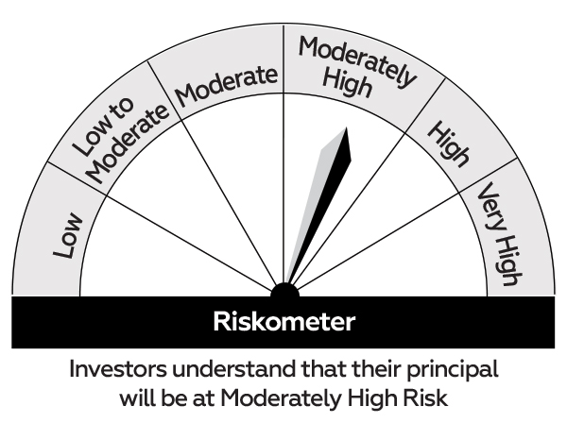 |  | 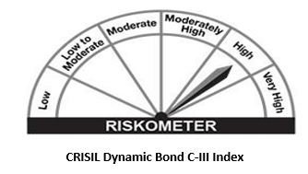
 | Investment in a range of debt and money market instruments of various maturities.
 | *Investors should consult their financial advisers if in doubt about whether the product is suitable for them.

YY09
 | IIFL- LIQUID FUND

 | Fortnightly Portfolio Statement as on April 15,2023
 | Name of the Instrument | ISIN | Rating | Quantity | Market/Fair Value(Rs. in Lacs) | Rounded % to Net Assets | YTM
 | Debt Instruments
 | (a) Listed / awaiting listing on Stock Exchange
RECL389 | 6.8% REC Limited (30/06/2023) ** | INE020B08CN2 | CRISIL AAA | 3,500,000 | 3498.5755 | 6.03% | 6.94%
HDBF282 | HDB Financial Services Limited (09/05/2023) (ZCB) ** | INE756I07DF2 | CRISIL AAA | 2,500,000 | 3029.39 | 5.22% | 8.09%
ENAM212 | Axis Finance Limited (10/05/2023) (ZCB) ** | INE891K07648 | CRISIL AAA | 1,000,000 | 995.331 | 1.72% | 7.14%
 | Sub Total |  |  |  | 7523.2965 | 12.97%
 | (b) Privately placed / Unlisted |  |  |  | NIL | NIL
 | Sub Total |  |  |  | NIL | NIL
 | Total |  |  |  | 7523.2965 | 12.97%
 | Money Market Instruments
 | Certificate of Deposit
CANB891 | Canara Bank (27/04/2023) ** # | INE476A16UW4 | CRISIL A1+ | 2,500,000 | 2495.02 | 4.30% | 6.62%
...
 | Macaulay Duration | 0.0758
 | Residual Maturity | 0.0776

 | As on (Date) | 15-Apr-23

 | Risk-o-meter:

 | This product is suitable for investors who are seeking*
 | Income over short term horizon | 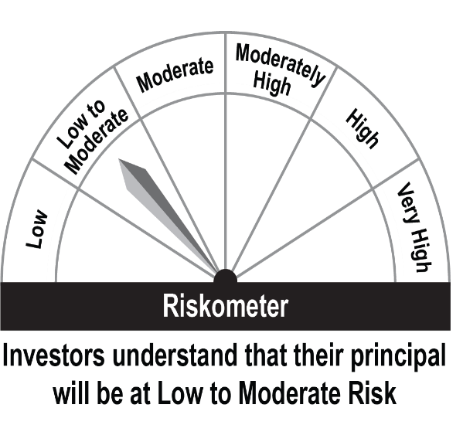 |  | 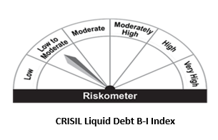
 | Investments in money market and short term debt instruments, with maturity not exceeding 91 days.
 | *Investors should consult their financial advisors if in doubt about whether the product is suitable for them.

